Sheet1
PLM3 VERS.001
Parts list YZ450F MY24 Moto3
La FMI si riserva il diritto di modificare il contenuto del presente documento in qualunque momento (anche durante la stagione). Le variazioni rispetto alla versione precedente del presente documento vengonoindicate in rosso.
È responsabilità del Pilota o del Team per lui approvvigionarsi preventivamente di tutti i ricambi necessari ad affrontare la manifestazione.

Contatto Fornitore Ufficiale (Filiale Italiana Yamaha Motor Europe N.V.) Campionato Italiano Moto3 2022: luca.lussana@yamaha-motor.it
 | 1 | CYLINDER AND CYLINDER HEAD |  |  | PLM3 VERS.001 | 1
 | RIF. | CODICE | DESCRIZIONE | QTA | CONFIGURAZIONE | 2
 | 1 | BHR-11102-00 | CYLINDER HEAD ASSY | 1 | STANDARD | 3
 | 2 | B2W–11133–10 | GUIDE, VALVE 1 | 2 | STANDARD | 4
 | 3 | 5PS–11134–10 | GUIDE, VALVE 2 | 2 | STANDARD | 5
 | 4 | 90105–06027 | BOLT, FLANGE | 7 | LIBERO | 6
 | 5 | 91808–16023 | PIN,DOWEL | 2 | STANDARD | 7
 | 6 | 91808–16023 | PIN,DOWEL | 2 | STANDARD | 8
 | 7 | BHR-15138-00 | NOZZLE 1 | 1 | STANDARD | 9
 | 8 | 90105–06227 | BOLT, FLANGE | 2 | LIBERO | 10
 | 9 | 90430–06014 | GASKET | 2 | LIBERO | 11
 | 10 | 90116–06037 | BOLT, STUD | 2 | LIBERO | 12
 | 11 | 94701–00434 | PLUG, SPARK (NGK LMAR8G) | 1 | STANDARD | 13
 | 12 | BHR-11181-00 | GASKET, CYLINDER HEAD 1 | 1 | STANDARD | 14
 | 13 | 93612–16254 | PIN, DOWEL | 2 | LIBERO | 15
 | 14 | 90105–10494 | BOLT, FLANGE | 4 | STANDARD | 16
 | 15 | 90201–10025 | WASHER, PLATE | 4 | LIBERO | 17
 | 16 | 90110-06176 | BOLT, FLANGE DEEP RECESS | 2 | STANDARD | 18
 | 17 | BHR–11190–00 | COVER, CYLINDER HEAD 1 | 1 | STANDARD | 19
 | 18 | 90116–06048 | BOLT, STUD | 1 | LIBERO | 20
 | 19 | BDB–11168–00 | COVER, BREATHER | 1 | LIBERO | 21
 | 20 | 90105–06225 | BOLT, FLANGE | 2 | LIBERO | 22
 | 21 | B2W–11169–00 | GASKET, BREATHER COVER | 1 | STANDARD | 23
 | 22 | B2W–12241–00 | GUIDE, STOPPER 2 | 1 | STANDARD | 24
 | 23 | BHR–11193–00 | GASKET, HEAD COVER 1 | 1 | STANDARD | 25
 | 24 | 1SM–11194–00 | GASKET, HEAD COVER 2 | 1 | STANDARD | 26
 | 25 | 5UM–1119E–00 | BOLT, COVER HEAD | 3 | LIBERO | 27
 | 26 | BHR–11311–00 | CYLINDER 1 | 1 | STANDARD | 28
 | 27 | BHR–11351–00 | GASKET, CYLINDER | 1 | STANDARD | 29
 | 28 | 93612-16254 | PIN, DOWEL | 2 | LIBERO | 30
 | 29 | 90110-06439 | BOLT, FLANGE DEEP RECESS | 1 | FICHES ** | 31
 | 30 | BR9-11395-00 | HOLDER | 1 | STANDARD | 32
 | 31 | 95702–06500 | NUT, FLANGE | 1 | LIBERO | 33
 |  |  |  |  |  | 34
 |  |  |  |  |  | 35
 |  |  |  |  |  | 36
 |  |  |  |  |  | 37
 |  |  |  |  |  | 38
 |  |  |  |  |  | 39
 |  |  |  |  |  | 40
 |  |  |  |  |  | 41
 |  |  |  |  |  | 42
 | 2 | CRANKSHAFT AND PISTON |  |  | PLM3 VERS.001 | 1
 | RIF. | CODICE | DESCRIZIONE | QTA | CONFIGURAZIONE | 2
 | 1 | BHR-11400-00 | CRANKSHAFT ASSY | 1 | STANDARD | 3
 | 2 | BHR-11412-10 | CRANK 1 | 1 | STANDARD | 4
 | 3 | BHR-11422-00 | CRANK 2 | 1 | STANDARD | 5
 | 4 | BHR-11681-00 | PIN, CRANK 1 | 1 | STANDARD | 6
 | 5 | BHR-11650-0 | ROD, CONNECTING | 1 | STANDARD | 7
 | 6 | 93306-30647 | BEARING | 2 | LIBERO | 8
 | 7 | BHR-11536-00 | GEAR, DRIVE | 1 | STANDARD | 9
 | 8 | BHR-11454-00 | SHAFT 1 | 1 | STANDARD | 10
 | 9 | 93306-20351 | BEARING | 2 | STANDARD | 11
 | 10 | BHR-11531-00 | GEAR, BALANCE WEIGHT | 1 | STANDARD | 12
 | 11 | BHR-13301-00 | GEAR,OIL PUMP DRIVE SHAFT |  |  | 13
 | 12 | 90170-14171 | NUT | 1 | STANDARD | 14
 | 13 | 90215–14004 | WASHER, LOCK | 1 | STANDARD | 15
 | 14 | BHR-116A0-00 | PISTON ASSY | 1 | STANDARD | 16
 | 15 | BHR-11631-00 | PISTON (STD) | 1 | STANDARD | 17
 | 16 | B2W-11603-00 | PISTON RING SET (STD) | 1 | STANDARD | 18
 | 17 | BR9-11633-10 | PIN, PISTON | 1 | STANDARD | 19
 | 18 | 93450-19052 | CIRCLIP | 2 | STANDARD | 20
 | 19 | 90280-03006 | KEY, WOODRUFF | 1 | STANDARD | 21
 |  |  |  |  |  | 22
 |  |  |  |  |  | 23
 |  |  |  |  |  | 24
 |  |  |  |  |  | 25
 |  |  |  |  |  | 26
 |  |  |  |  |  | 27
 |  |  |  |  |  | 28
 |  |  |  |  |  | 29
 |  |  |  |  |  | 30
 |  |  |  |  |  | 31
 |  |  |  |  |  | 32
 |  |  |  |  |  | 33
 |  |  |  |  |  | 34
 |  |  |  |  |  | 35
 |  |  |  |  |  | 36
 |  |  |  |  |  | 37
 |  |  |  |  |  | 38
 |  |  |  |  |  | 39
 |  |  |  |  |  | 40
 |  |  |  |  |  | 41
 |  |  |  |  |  | 42
 | 3 | VALVE |  |  | PLM3 VERS.001 | 1
 | RIF. | CODICE | DESCRIZIONE | QTA | CONFIGURAZIONE | 2
 | 1 | BHR-12111-00 | VALVE, INTAKE | 2 | STANDARD | 3
 | 2 | BHR-12121-10 | VALVE, EXHAUST | 2 | STANDARD | 4
 | 3 | 51Y-12119-00 | SEAL, VALVE STEM | 4 | STANDARD | 5
 | 4 | 33D-12116-00 | SEAT, VALVE SPRING | 2 | STANDARD | 6
 | 5 | 33D-12126-00 | SEAT, VALVE SPRING 2 | 2 | STANDARD | 7
 | 6 | B2W-12113-00 | SPRING, VALVE INNER | 2 | STANDARD | 8
 | 7 | BHR-12114-00 | SPRING, VALVE OUTER | 2 | STANDARD | 9
 | 8 | 33D-12117-00 | RETAINER, VALVE SPRING | 2 | STANDARD | 10
 | 9 | 3LD-12117-00 | RETAINER, VALVE SPRING | 2 | STANDARD | 11
 | 10 | 3LD-12118-00 | LOCK, VALVE SPRING RETAINER | 8 | STANDARD | 12
 | 11 | BR9-12153-00 | LIFTER, VALVE | 2 | STANDARD | 13
 | 12 | B7M-12153-10 | LIFTER, VALVE | 2 | STANDARD | 14
 | 13 | 3LD-12168-00 | PAD, ADJUSTING (1.20) | 4 | LIBERO | 15
 | 13 | 3LD-12168-20 | PAD, ADJUSTING (1.25) | 4 | LIBERO | 16
 | 13 | 3LD-12168-40 | PAD, ADJUSTING (1.30) | 4 | LIBERO | 17
 | 13 | 3LD-12168-60 | PAD, ADJUSTING (1.35) | 4 | LIBERO | 18
 | 13 | 3LD-12168-80 | PAD, ADJUSTING (1.40) | 4 | LIBERO | 19
 | 13 | 3LD-12168-A0 | PAD, ADJUSTING (1.45) | 4 | LIBERO | 20
 | 13 | 3LD-12168-F0 | PAD, ADJUSTING (1.50) | 4 | LIBERO | 21
 | 13 | 3LD-12168-H1 | PAD, ADJUSTING (1.55) | 4 | LIBERO | 22
 | 13 | 3LD-12168-K1 | PAD, ADJUSTING (1.60) | 4 | LIBERO | 23
 | 13 | 3LD-12168-M1 | PAD, ADJUSTING (1.65) | 4 | LIBERO | 24
 | 13 | 3LD-12168-R1 | PAD, ADJUSTING (1.70) | 4 | LIBERO | 25
 | 13 | 3LD-12168-U1 | PAD, ADJUSTING (1.75) | 4 | LIBERO | 26
 | 13 | 3LD-12168-W1 | PAD, ADJUSTING (1.80) | 4 | LIBERO | 27
 | 13 | 3LD-12168-Y1 | PAD, ADJUSTING (1.85) | 4 | LIBERO | 28
 | 13 | 3LD-12169-11 | PAD, ADJUSTING (1.90) | 4 | LIBERO | 29
 | 13 | 3LD-12169-31 | PAD, ADJUSTING (1.95) | 4 | LIBERO | 30
 | 13 | 3LD-12169-50 | PAD, ADJUSTING (2.00) | 4 | LIBERO | 31
 | 13 | 3LD-12169-70 | PAD, ADJUSTING (2.05) | 4 | LIBERO | 32
 | 13 | 3LD-12169-90 | PAD, ADJUSTING (2.10) | 4 | LIBERO | 33
 | 13 | 3LD-12169-E0 | PAD, ADJUSTING (2.15) | 4 | LIBERO | 34
 | 13 | 3LD-12169-G0 | PAD, ADJUSTING (2.20) | 4 | LIBERO | 35
 | 13 | 3LD-12169-J0 | PAD, ADJUSTING (2.25) | 4 | LIBERO | 36
 | 13 | 3LD-12169-L0 | PAD, ADJUSTING (2.30) | 4 | LIBERO | 37
 | 13 | 3LD-12169-N0 | PAD, ADJUSTING (2.35) | 4 | LIBERO | 38
 | 13 | 3LD-12169-T0 | PAD, ADJUSTING (2.40) | 4 | LIBERO | 39
...
Contatto Fornitore Ufficiale (Filiale Italiana Yamaha Motor Europe N.V.) Campionato Italiano Moto3 2022: luca.lussana@yamaha-motor.it
 | 8 | INTAKE 1 |  |  | PLM3 VERS.001
 | RIF. | CODICE | DESCRIZIONE | QTA | CONFIGURAZIONE
 | 1 | BR9–13597–00 | JOINT, CARBURETOR 3 | 1 | STANDARD
 | 2 | 91312–06020 | BOLT, HEXAGON SOCKET HEAD | 2 | LIBERO
 | 3 | 90450–60004 | HOSE CLAMP ASSY | 1 | LIBERO
 | 4 | BR9–14293–00 | COVER 1 | 1 | STANDARD
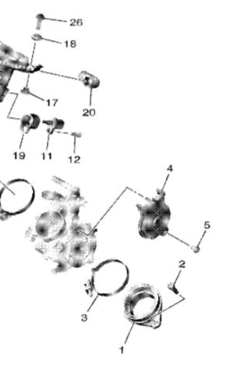
 | 5 | 90110–05066 | BOLT, HEXAGON SOCKET HEAD | 1 | LIBERO
 | 6 | 90110–05066 | BOLT, HEXAGON SOCKET HEAD | 1 | LIBERO
 | 11 | 8FP-85886-00 | SENSOR, AIR TEMPERATURE | 1 | STANDARD
 | 12 | 97702-50520 | SCREW, TAPPING | 1 | LIBERO
 | 16 | 90480-01027 | GROMMET | 1 | LIBERO
 | 17 | 90387-06273 | COLLAR | 2 | LIBERO
 | 18 | 90480-12237 | GROMMET | 2 | LIBERO
 | 19 | 20S-1445C-01 | HOLDER | 1 | LIBERO
 | 20 | B3J-14419-01 | PIPE | 1 | LIBERO
...
Contatto Fornitore Ufficiale (Filiale Italiana Yamaha Motor Europe N.V.) Campionato Italiano Moto3 2022: luca.lussana@yamaha-motor.it
 | 9 | INTAKE 2 |  |  | PLM3 VERS.001
 | RIF. | CODICE | DESCRIZIONE | QTA | CONFIGURAZIONE
 | 1 | BHR–13750–00 | THROTTLE BODY ASSY | 1 | STANDARD
 | 2 | 8FP–13556–00 | RUBBER, INJECTOR | 1 | STANDARD
 | 3 | 2C0–14216–00 | SCREW | 1 | LIBERO
 | 4 | BR9–14348–00 | PIPE 1 | 1 | STANDARD
 | 5 | BR9–14486–00 | SCREW, ROD | 2 | STANDARD
 | 6 | 363–14198–00 | GASKET | 2 | LIBERO
 | 7 | 8CC–14216–10 | SCREW | 1 | LIBERO
 | 8 | BHR–13938–00 | DELIVERY PIPE ASSY 1 | 1 | STANDARD
...
Contatto Fornitore Ufficiale (Filiale Italiana Yamaha Motor Europe N.V.) Campionato Italiano Moto3 2022: luca.lussana@yamaha-motor.it
 | 10 | CRANKCASE |  |  | PLM3 VERS.001
 | RIF. | CODICE | DESCRIZIONE | QTA | CONFIGURAZIONE
 | 1 | BHR-15100-09 | CRANKASE ASSY | 1 | STANDARD
 | 2 | 99530-08016 | PIN, DOWEL | 1 | LIBERO
 | 3 | BHR-15148-00 | NOZZLE 2 | 1 | LIBERO
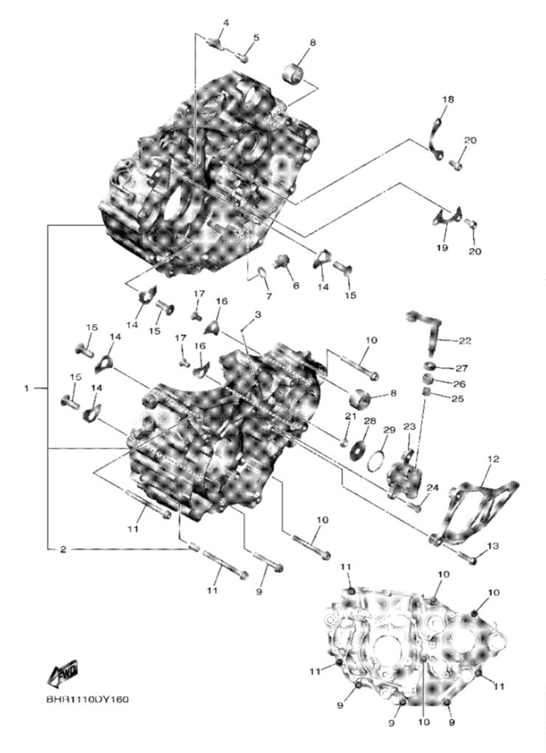
 | 4 | BHR-15155-00 | NOZZLE 3 | 1 | LIBERO
 | 5 | 90110–06182 | BOLT, HEXAGON SOCKET HEAD | 1 | STANDARD
 | 6 | 95E32–10016 | BOLT, FLANGE DEEP RECESS | 2 | LIBERO
 | 7 | 90430–10188 | GASKET | 1 | STANDARD
 | 8 | 90387–17018 | COLLAR | 1 | LIBERO
 | 9 | 90110–06391 | BOLT, HEXAGON SOCKET HEAD | 1 | LIBERO
 | 10 | 90110–06363 | BOLT, HEXAGON SOCKET HEAD | 1 | LIBERO
 | 11 | 90110–06392 | BOLT, HEXAGON SOCKET HEAD | 2 | LIBERO
 | 12 | BHR–15421–00 | COVER, CRANKCASE 2 | 5 | LIBERO
 | 13 | 90105–06189 | BOLT, FLANGE | 4 | LIBERO
 | 14 | 18P-15383-00 | PLATE, BEARING COVER | 3 | LIBERO
 | 15 | 90151–08009 | SCREW, COUNTERSUNK | 1 | LIBERO
 | 16 | 4JT–15381–01 | PLATE, BEARING COVER | 2 | LIBERO
 | 17 | 90151–06053 | SCREW, COUNTERSUNK | 2 | STANDARD
 | 18 | 5NL-15388-00 | PLATE, BEARING COVER | 1 | STANDARD
 | 19 | 33D–18562–00 | PLATE, STOPPER 2 | 1 | STANDARD
 | 20 | 90110–06182 | BOLT, HEXAGON SOCKET HEAD | 4 | STANDARD
 | 21 | 93104–06033 | OIL SEAL | 1 | STANDARD
 | 22 | BHR–16381–00 | PUSH LEVER COMP | 1 | STANDARD
 | 23 | BHR–16386–00 | PIECE,CLUTCH PUSH | 1 | STANDARD
 | 24 | 90105-06187 | BOLT, FLANGE | 2 | LIBERO
 | 25 | 93317-106B4 | BEARING | 1 | STANDARD
 | 26 | 93317–11096 | BEARING | 1 | STANDARD
 | 27 | 93102–10008 | OIL SEAL | 1 | STANDARD
 | 28
 | 29
 | 30
 | 31
 | 32
 | 33
 | 34
 | 35
...
Contatto Fornitore Ufficiale (Filiale Italiana Yamaha Motor Europe N.V.) Campionato Italiano Moto3 2022: luca.lussana@yamaha-motor.it
 | 11 | CRANKCASE COVERS |  |  | PLM3 VERS.001
 | RIF. | CODICE | DESCRIZIONE | QTA | CONFIGURAZIONE
 | 1 | BHR–15411–00 | COVER, CRANKCASE 1 | 1 | STANDARD
 | 2 | 90340–27009 | PLUG, STRAIGHT SCREW | 1 | STANDARD
 | 3 | 93210–27370 | O-RING | 1 | LIBERO
 | 4 | 90340–14021 | PLUG, STRAIGHT SCREW | 1 | STANDARD
 | 5 | 93210–14369 | O-RING | 1 | LIBERO
 | 6 | BHR–15451–00 | GASKET, CRANKCASE COVER 1 | 1 | LIBERO
 | 7 | 99530–08016 | PIN, DOWEL | 2 | LIBERO
 | 8 | 95E32–06025 | BOLT, FLANGE DEEP RECESS | 9 | LIBERO
...
Contatto Fornitore Ufficiale (Filiale Italiana Yamaha Motor Europe N.V.) Campionato Italiano Moto3 2022: luca.lussana@yamaha-motor.it
 | 14 | TRANSMISSION |  |  | PLM3 VERS.001
 | RIF. | CODICE | DESCRIZIONE | QTA | CONFIGURAZIONE
 | 1 | 93306–27210 | BEARING | 1 | LIBERO
 | 2 | BHR–17411–00 | AXLE, MAIN | 1 | STANDARD
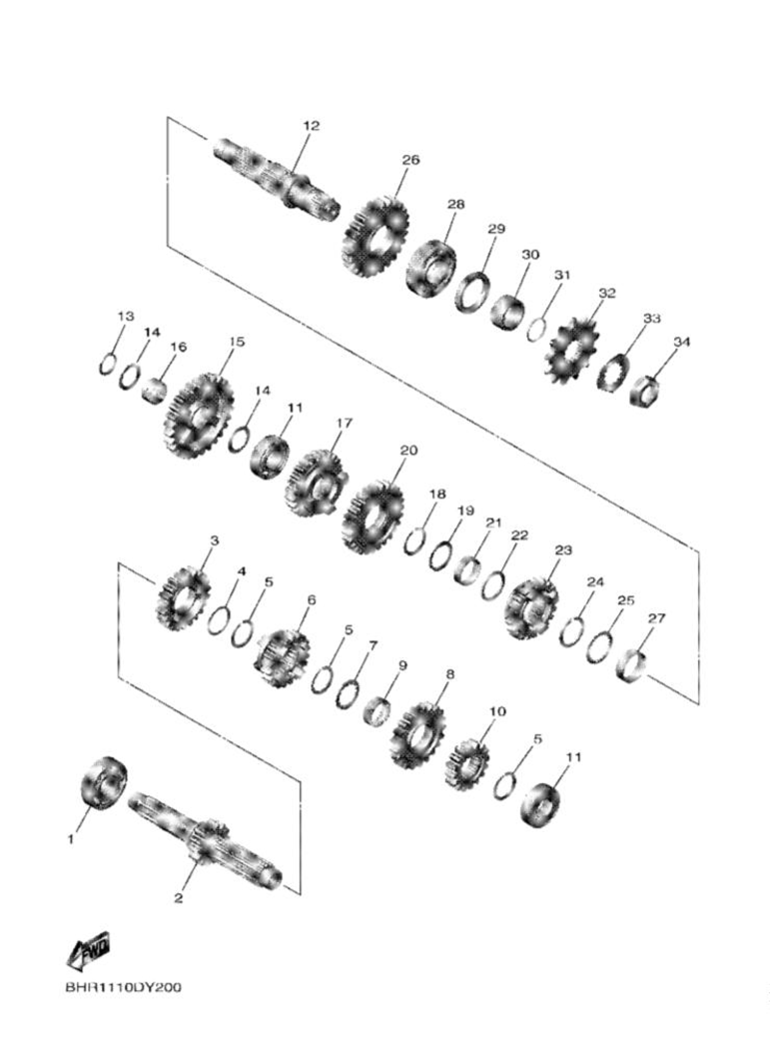
 | 3 | BHR–17141–00 | GEAR, 4TH PINION(22T) | 1 | STANDARD
 | 4 | 90201–253K0 | WASHER, PLATE (T=1.0) | 1 | STANDARD
 | 5 | 93440–25084 | CIRCLIP | 3 | STANDARD
 | 6 | BHR–17131–10 | GEAR, 3RD PINION(20T) | 1 | STANDARD
 | 7 | 90209–21332 | WASHER | 1 | STANDARD
 | 8 | BHR–17151–00 | GEAR, 5TH PINION(21T) | 1 | STANDARD
 | 9 | 90387–2113G | COLLAR | 1 | STANDARD
 | 10 | BHR–17121–00 | GEAR, 2ND PINION(16T) | 1 | STANDARD
 | 11 | 93306–00447 | BEARING | 2 | LIBERO
 | 12 | BHR–17402–00 | DRIVE AXLE ASSY | 1 | STANDARD
 | 13 | 93410–20038 | CIRCLIP | 1 | STANDARD
 | 14 | 90201–203E7 | WASHER, PLATE | 2 | STANDARD
 | 15 | BHR–17211–00 | GEAR, 1ST WHEEL(28T) | 1 | STANDARD
 | 16 | 90387–20028 | COLLAR | 1 | STANDARD
 | 17 | BHR–17241–00 | GEAR, 4TH WHEEL(25T) | 1 | STANDARD
 | 18 | 93440–25084 | CIRCLIP | 1 | STANDARD
 | 19 | 90214-23002 | WASHER, CLAW | 1 | STANDARD
 | 20 | BHR–17231–00 | GEAR, 3RD WHEEL(27T) | 1 | STANDARD
 | 21 | 90387-25041 | COLLAR | 1 | STANDARD
 | 22 | 90201-25028 | WASHER, PLATE | 1 | LIBERO
 | 23 | BHR–17251–00 | GEAR, 5TH WHEEL(21T) | 1 | STANDARD
 | 24 | 93440-28062 | CIRCLIP | 1 | STANDARD
 | 25 | 90209-26348 | WASHER | 1 | LIBERO
 | 26 | BHR–17221–00 | GEAR, 2ND WHEEL(26T) | 1 | STANDARD
 | 27 | 90387-28032 | COLLAR | 1 | STANDARD
 | 28 | 93306-20574 | BEARING | 1 | LIBERO
 | 29 | 93102-32480 | OIL SEAL | 1 | LIBERO
 | 30 | 90387-25042 | COLLAR | 1 | STANDARD
 | 31 | 93210-22164 | O-RING | 1 | LIBERO
 | 32 | 9383E-13233 | SPROCKET, DRIVE (13T) | 1 | LIBERO
 | 33 | 90215-21003 | WASHER, LOCK | 1 | LIBERO
 | 34 | 90179-20017 | NUT | 1 | LIBERO
 | 35
...
Contatto Fornitore Ufficiale (Filiale Italiana Yamaha Motor Europe N.V.) Campionato Italiano Moto3 2022: luca.lussana@yamaha-motor.it
 | 15 | SHIFT CAM & FORKS |  |  | PLM3 VERS.001
 | RIF. | CODICE | DESCRIZIONE | QTA | CONFIGURAZIONE
 | 1 | BHR–18541–10 | CAM, SHIFT | 1 | STANDARD
 | 2 | 3D7–18542–00 | POINT, NEUTRAL | 1 | STANDARD
 | 3 | 90501–06022 | SPRING, COMPRESSION | 1 | STANDARD
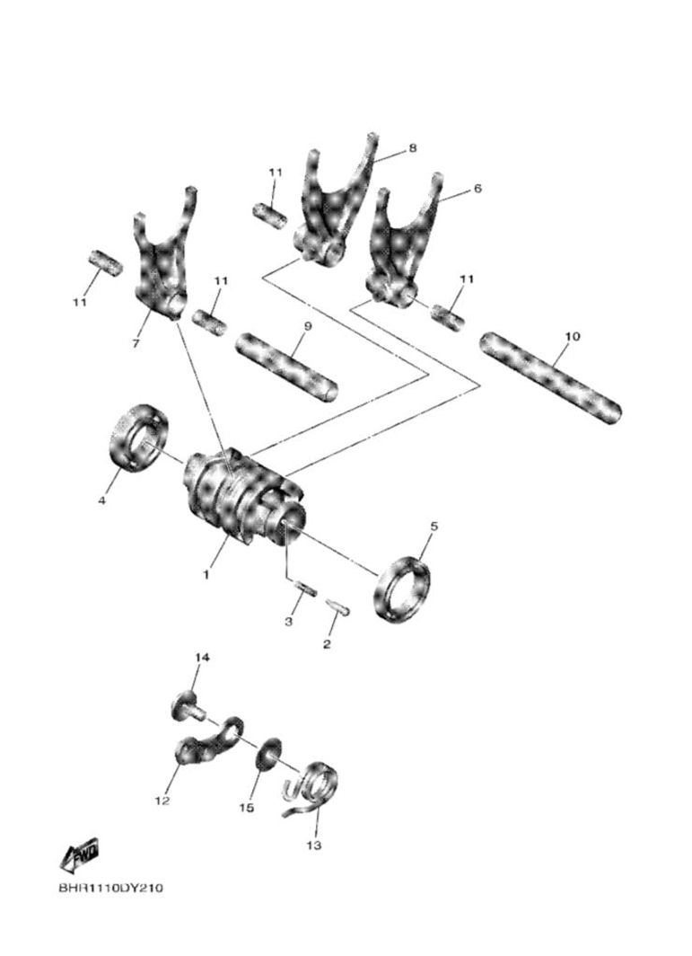
 | 4 | 93306–90409 | BEARING | 1 | LIBERO
 | 5 | 93306–80502 | BEARING | 1 | LIBERO
 | 6 | BHR–18511–00 | FORK, SHIFT 1 | 1 | STANDARD
 | 7 | BHR–18512–00 | FORK, SHIFT 2 | 1 | STANDARD
 | 8 | BHR–18513–00 | FORK, SHIFT 3 | 1 | STANDARD
 | 9 | BHR–18531–00 | BAR, SHIFT FORK GUIDE 1 | 1 | STANDARD
 | 10 | BHR–18535–00 | BAR, SHIFT FORK GUIDE 2 | 1 | STANDARD
 | 11 | 90501–070A3 | SPRING, COMPRESSION | 4 | STANDARD
 | 12 | 2GB–18140–10 | STOPPER LEVER ASSY | 1 | STANDARD
 | 13 | 90508–29052 | SPRING, TORSION | 1 | STANDARD
 | 14 | 90159–06027 | SCREW, WITH WASHER | 1 | LIBERO
 | 15 | 33D–18175–00 | SPACER | 1 | STANDARD
...
Contatto Fornitore Ufficiale (Filiale Italiana Yamaha Motor Europe N.V.) Campionato Italiano Moto3 2022: luca.lussana@yamaha-motor.it
 | 16 | SHIFT SHAFT |  |  | PLM3 VERS.001
 | RIF. | CODICE | DESCRIZIONE | QTA | CONFIGURAZIONE
 | 1 | BHR–18185–00 | SEGMENT | 1 | STANDARD
 | 2 | 3XJ–18173–10 | PIN, SHIFT | 1 | STANDARD
 | 3 | BHR–18122–20 | LEVER, SHIFT 2 | 1 | STANDARD
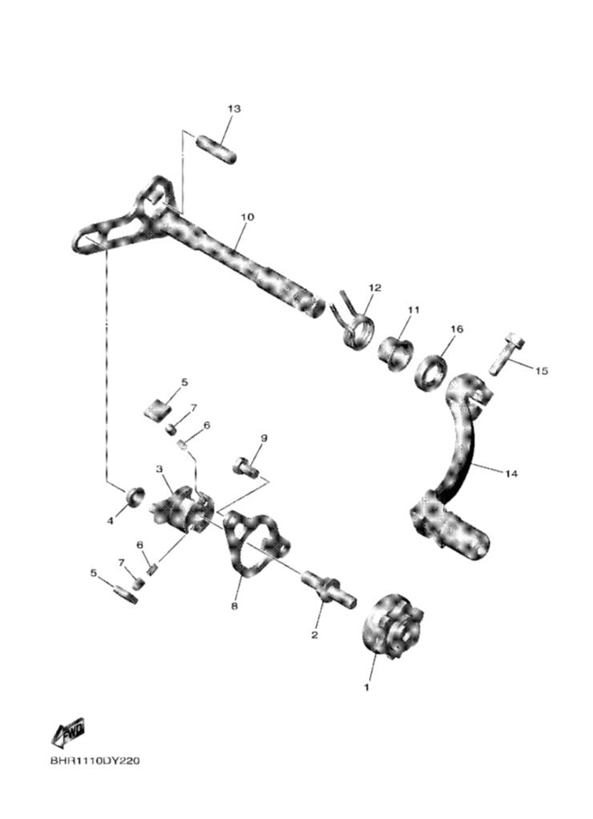
 | 4 | 3XJ–18178–00 | ROLLER, SHIFT LEVER | 1 | STANDARD
 | 5 | 3XJ–18182–00 | PAWL, SHIFTER | 2 | STANDARD
 | 6 | 90501–052G5 | SPRING, COMPRESSION | 2 | STANDARD
 | 7 | 3XJ–18184–00 | PIN, PAWL | 2 | STANDARD
 | 8 | BHR–18172–00 | GUIDE, SHIFT | 1 | STANDARD
 | 9 | 90101–06041 | BOLT | 2 | LIBERO
 | 10 | BHR–18101–00 | SHIFT SHAFT ASSY | 1 | STANDARD
 | 11 | 90387–14020 | COLLAR | 1 | STANDARD
 | 12 | 90508–29023 | SPRING, TORSION | 1 | STANDARD
 | 13 | 93608–30002 | PIN, DOWEL | 1 | STANDARD
 | 14 | BR9–18110–00 | SHIFT PEDAL ASSY | 1 | LIBERO
 | 15 | 90119–06M12 | BOLT, WITH WASHER | 1 | LIBERO
 | 16 | 93109–14010 | OIL SEAL | 1 | LIBERO
...
Contatto Fornitore Ufficiale (Filiale Italiana Yamaha Motor Europe N.V.) Campionato Italiano Moto3 2022: luca.lussana@yamaha-motor.it
 | 17 | FUEL PUMP |  |  | PLM3 VERS.001
 | RIF. | CODICE | DESCRIZIONE | QTA | CONFIGURAZIONE
 | 10 | BHR-13907-00 | FUEL PUMP COMP | 1 | STANDARD
...
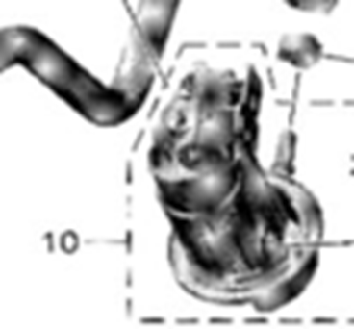
...
Contatto Fornitore Ufficiale (Filiale Italiana Yamaha Motor Europe N.V.) Campionato Italiano Moto3 2022: luca.lussana@yamaha-motor.it
 | 18 | GENERATOR |  |  | PLM3 VERS.001
 | RIF. | CODICE | DESCRIZIONE | QTA | CONFIGURAZIONE
 | 1 | BHR–81410–00 | STATOR ASSY | 1 | STANDARD
 | 2 | BHR–81450–00 | ROTOR ASSY | 1 | STANDARD
 | 3 | 90179–12657 | NUT | 1 | LIBERO
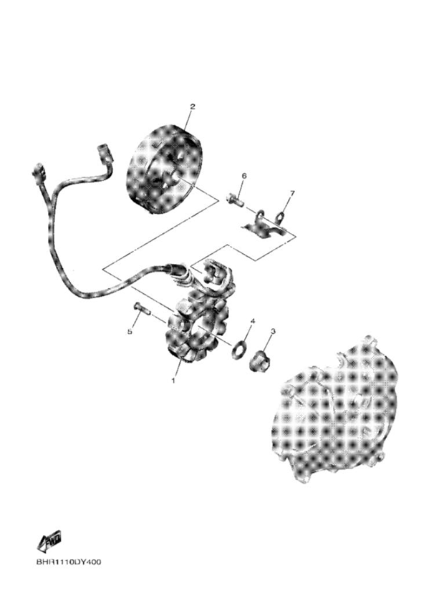
 | 4 | 90201–127E1 | WASHER, PLATE | 1 | LIBERO
 | 5 | 90149–05040 | SCREW | 3 | LIBERO*
 | 6 | 90110–06401 | BOLT, HEXAGON SOCKET HEAD | 2 | LIBERO*
 | 7 | BHR–81528–00 | CLAMP 1 | 1 | LIBERO
 | 8
 | Nota:
 | I bulloni nelle posizioni 5 e 6 sono liberi a condizione che il diametro dei gambi degli eventuali
 | bulloni sostitutivi sia uguale a quello dei bulloni originali.
...
Contatto Fornitore Ufficiale (Filiale Italiana Yamaha Motor Europe N.V.) Campionato Italiano Moto3 2022: luca.lussana@yamaha-motor.it
 | 19 | STARTING MOTOR |  |  | PLM3 VERS.001
 | RIF. | CODICE | DESCRIZIONE | QTA | CONFIGURAZIONE
 | 1 | BHR–81890–00 | MOTOR ASSY | 1 | STANDARD
 | 2 | 2CR–81801–10 | BRUSH SET | 1 | STANDARD
 | 3 | 4FP–H182L–00 | O-RING 1 | 1 | LIBERO
 | 4 | BR9–81846–00 | SCREW | 2 | LIBERO
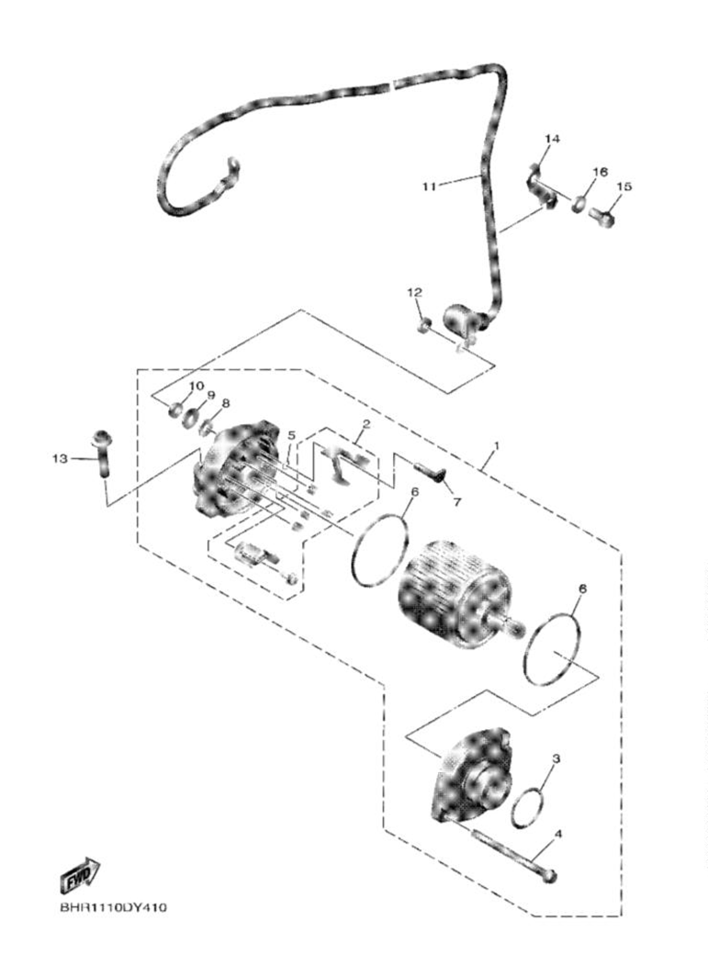
 | 5 | BR9–8182L–00 | O-RING 1 | 1 | LIBERO
 | 6 | BR9–81861–00 | GASKET | 2 | LIBERO
 | 7 | 2CR–81828–10 | BOLT 2 | 1 | LIBERO
 | 8 | 8FA–8181L–00 | WASHER, PLAIN | 1 | LIBERO
 | 9 | 1D7–81835–00 | WASHER | 1 | LIBERO
 | 10 | 95302–06700 | NUT, HEXAGON | 1 | LIBERO
 | 11 | BHR–8183G–00 | CORD COMP. | 1 | LIBERO
 | 12 | 95302–06700 | NUT, HEXAGON | 1 | LIBERO
 | 13 | 90110–06349 | BOLT, HEXAGON SOCKET HEAD | 2 | LIBERO
 | 14 | BHR-81679-00 | CLAMP 3 | 1 | LIBERO
 | 15 | 95E32-06012 | BOLT, FLANGE DEEP RECESS | 2 | LIBERO
 | 16 | 90201-06105 | WASHER, PLATE | 1 | LIBERO
...
Contatto Fornitore Ufficiale (Filiale Italiana Yamaha Motor Europe N.V.) Campionato Italiano Moto3 2022: luca.lussana@yamaha-motor.it
 | 20 | ELECTRICAL |  |  | PLM3 VERS.001
 | RIF. | CODICE | DESCRIZIONE | QTA | CONFIGURAZIONE
 | 1 | B2W–82370–00 | PLUG CAP ASSY | 1 | STANDARD
 | 2 | BHR-83591-00 | THERMO UNIT | 1 | STANDARD
 | 3 | BHR–83525–00 | CLIP | 1 | LIBERO
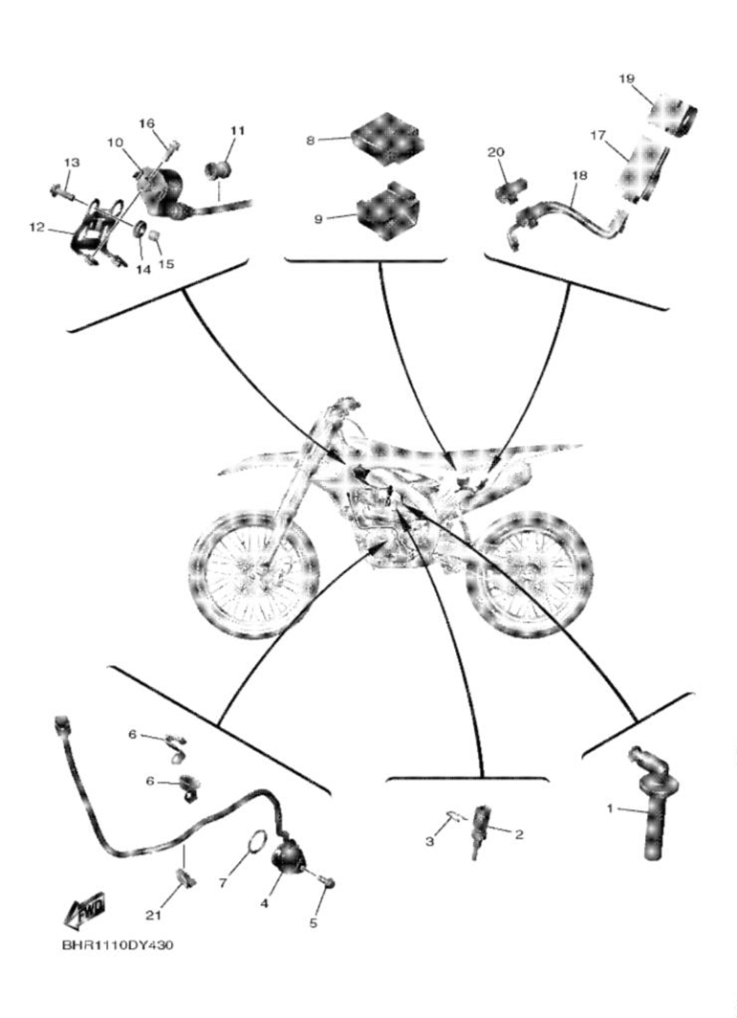
 | 4 | BHR–82540–00 | NEUTRAL SWITCH ASSY | 1 | STANDARD
 | 5 | 90110–05062 | BOLT, HEXAGON SOCKET HEAD | 2 | LIBERO
 | 6 | BHR–15484–00 | CLAMP 2 | 2 | LIBERO
 | 7 | 93210–21001 | O-RING | 1 | LIBERO
 | 8 |  | ENGINE CONTROL UNIT ASSY | 1 | TYPAN Y M3
 | 9 | BHR–82155–00 | BAND | 2 | LIBERO
 | 10 | BHR–82310–00 | IGNITION COIL ASSY | 1 | STANDARD
 | 11 | 90480–11015 | GROMMET | 2 | LIBERO
 | 12 | BHR–2194U–00 | STAY, IGNITION COIL | 1 | STANDARD
 | 13 | 90105–06219 | BOLT, FLANGE | 2 | LIBERO
 | 14 | 90480–13025 | GROMMET | 2 | LIBERO
 | 15 | 90387-066J9 | COLLAR | 2 | LIBERO
 | 16 | 95E32–06016 | BOLT, FLANGE DEEP RECESS | 2 | LIBERO
 | 17 | BHR–83810–00 | COMMUNICATION CONT. UNIT ASSY | 1 | LIBERO
 | 18 | BHR-85721-00 | WIRE, LEAD | 1 | LIBERO
 | 19 | BHR-85546-00 | BAND | 1 | LIBERO
 | 20 | BHR-82378-00 | CONNECTOR | 1 | LIBERO
 | 21 | 90465-10098 | CLAMP | 1 | LIBERO
...
Contatto Fornitore Ufficiale (Filiale Italiana Yamaha Motor Europe N.V.) Campionato Italiano Moto3 2022: luca.lussana@yamaha-motor.it
 | RIF. | CODICE | DESCRIZIONE | QTA | CONFIGURAZIONE
 | 1 | B7B–81960–00 | RECTIFIER & REGULATOR ASSY | 1 | STANDARD
...

